Rotations (manually)
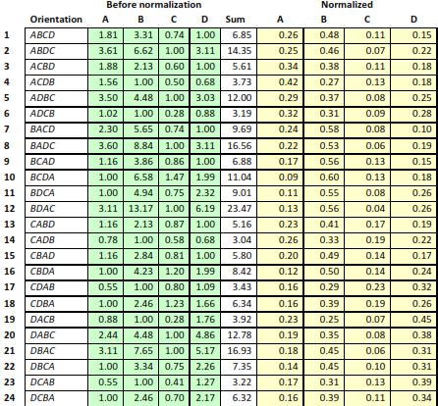
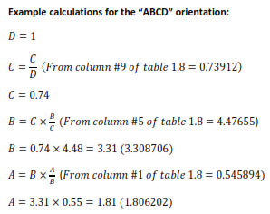
1 | 0.15 | 0.59 | 0.20 | 0.07 | 0.15 | 0.59 | 0.20 | 0.07 | 1.00
2 | 0.15 | 0.61 | 0.07 | 0.17 | 0.15 | 0.61 | 0.17 | 0.07 | 1.00
3 | 0.14 | 0.20 | 0.59 | 0.07 | 0.14 | 0.59 | 0.20 | 0.07 | 1.00
4 | 0.16 | 0.22 | 0.08 | 0.54 | 0.16 | 0.54 | 0.22 | 0.08 | 1.00
5 | 0.16 | 0.08 | 0.57 | 0.19 | 0.16 | 0.57 | 0.19 | 0.08 | 1.00
6 | 0.15 | 0.08 | 0.19 | 0.57 | 0.15 | 0.57 | 0.19 | 0.08 | 1.00
7 | 0.64 | 0.13 | 0.18 | 0.06 | 0.13 | 0.64 | 0.18 | 0.06 | 1.00
8 | 0.64 | 0.13 | 0.07 | 0.16 | 0.13 | 0.64 | 0.16 | 0.07 | 1.00
9 | 0.61 | 0.21 | 0.12 | 0.06 | 0.12 | 0.61 | 0.21 | 0.06 | 1.00
10 | 0.62 | 0.21 | 0.07 | 0.11 | 0.11 | 0.62 | 0.21 | 0.07 | 1.00
11 | 0.66 | 0.07 | 0.11 | 0.16 | 0.11 | 0.66 | 0.16 | 0.07 | 1.00
12 | 0.64 | 0.07 | 0.18 | 0.11 | 0.11 | 0.64 | 0.18 | 0.07 | 1.00
13 | 0.23 | 0.14 | 0.56 | 0.06 | 0.14 | 0.56 | 0.23 | 0.06 | 1.00
14 | 0.24 | 0.15 | 0.08 | 0.53 | 0.15 | 0.53 | 0.24 | 0.08 | 1.00
15 | 0.21 | 0.61 | 0.12 | 0.06 | 0.12 | 0.61 | 0.21 | 0.06 | 1.00
16 | 0.21 | 0.62 | 0.07 | 0.10 | 0.10 | 0.62 | 0.21 | 0.07 | 1.00 |  | Note: I calculated the raw weights and then divided by sums and then reordered. Whereas Abbas does the above sample calculation "Before Normalization" which is appropriate if you have to figure out the calculations for the first time. I used Abbass orientation ordering to drag and drop the column cells in this manual reorientation.
17 | 0.26 | 0.09 | 0.13 | 0.52 | 0.13 | 0.52 | 0.26 | 0.09 | 1.00
18 | 0.24 | 0.08 | 0.57 | 0.11 | 0.11 | 0.57 | 0.24 | 0.08 | 1.00
19 | 0.10 | 0.14 | 0.57 | 0.19 | 0.14 | 0.57 | 0.19 | 0.10 | 1.00
20 | 0.09 | 0.14 | 0.19 | 0.57 | 0.14 | 0.57 | 0.19 | 0.09 | 1.00
21 | 0.09 | 0.62 | 0.12 | 0.17 | 0.12 | 0.62 | 0.17 | 0.09 | 1.00
22 | 0.08 | 0.59 | 0.20 | 0.12 | 0.12 | 0.59 | 0.20 | 0.08 | 1.00
23 | 0.09 | 0.23 | 0.14 | 0.54 | 0.14 | 0.54 | 0.23 | 0.09 | 1.00
24 | 0.08 | 0.20 | 0.60 | 0.12 | 0.12 | 0.60 | 0.20 | 0.08 | 1.00

 |  |  |  |  |  |  |  |  |  | Reference: M. S. Abbas, "Consistency Analysis for Judgement Quantification in Hierarchical Decision Model," PDXScholar, Portland State University, 2016.

